Table 17
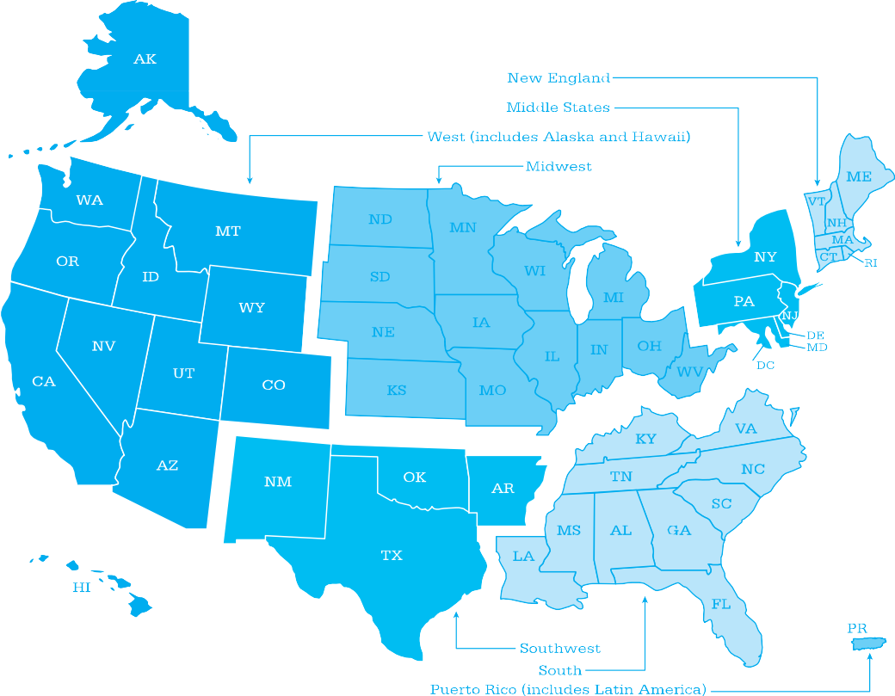
Areas Served by College Board Regional Offices
The College Board National Office 250 Vesey Street New York, NY 10281 212-713-8000 212-713-8255 (Fax) Middle States Regional Office Three Bala Plaza East, Suite 501 Bala Cynwyd, PA 19004-1501 866-392-3019 610-227-2580 (Fax) Midwestern Regional Office 8700 West Bryn Mawr Avenue, Suite 900N Chicago, IL 60631-3512 866-392-4086 847-653-4528 (Fax) New England Regional Office 1601 Trapelo Road, Suite 12 Waltham, MA 02451-7333 866-392-4089 781-663-2743 (Fax) | Southern Regional Office 3700 Crestwood Parkway NW, Suite 700 Duluth, GA 30096-7155 866-392-4088 770-225-4062 (Fax) Southwestern Regional Office 4330 Gaines Ranch Loop, Suite 200 Austin, TX 78735-6735 866-392-3017 512-721-1841 (Fax) Western Regional Office 2001 Gateway Place, Suite 220W San Jose, CA 95110-1051 866-392-4078 408-367-1459 (Fax) Puerto Rico and Latin America Office 208 Ponce de León Avenue, Suite 1501 San Juan, PR 00918-1017 Mailing address: P.O. Box 71101 San Juan, PR 00936-8001 787-772-1200 787-759-8629 (Fax - Reception area) 787-764-4306 (Fax - Director's office) | The College Board International 250 Vesey Street New York, NY 10281 212-373-8738 646-417-7350 (Fax) Washington Office 1919 M Street NW, Suite 300 Washington, DC 20036-2375 202-741-4700 202-741-4743 (Fax) Florida Office 1545 Raymond Diehl Road, Suite 250 Tallahassee, FL 32308-1500 850-521-4900 850-521-4921(Fax)

